Institution Details
Institution Name | Institution Alias | DLINo (If applicable) | Partner Type | Logo | Image | LetterHead | InstAddress1 | InstAddress2 | Country Name | Province Name | CityName | InstZipCode | InstTypeName | InstFounded | InstTotalStudents | InstCurrency | InstAvgCostTuition_Year | InstCostofLiving_Year | InstApplicationFee | PaymentLink | Website | InstVideo | HowToReach | InstAbout | InstFeatures | isCreditCardRequired | Institution Application Form | Agent Evaluation Form

FOM University of Applied Sciences Essen | FOM University of Applied Sciences Essen |  | MSM Unify |  |  |  | germHerkulesstraße 32, 45127 Essen, Germany |  | Germany | North Rhine-Westphalia | Essen | 45127 |  | 1993 |  | Euro |  |  |  |  | https://www.fom.de/hochschulzentren/studium-in-essen.html |  | https://goo.gl/maps/XGYLvika3vFfcdLy8 | The scientific organization of the FOM is in the hands of the rectorate, pro-rectorate, academic study management, dean's office, module management. They ensure the quality of teaching and research and ensure that the university's curricula always correspond to new scientific findings and that the teachers constantly expand their didactic skills. | Expertise from business and science Extensive online campus Interactive Live Lectures Personal care Recordings & Media Library State-of-the-art FOM Studios

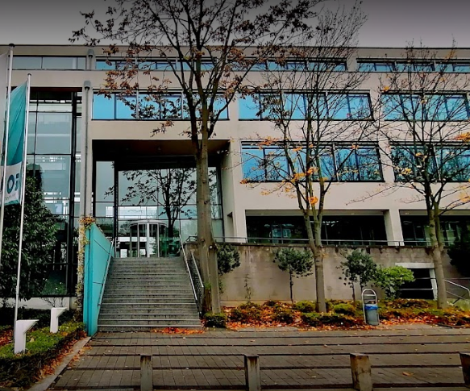
 |  |  |  |  |  |  |  |  |  |  | NOT THERE

